workout
Station | Circuit | Duration (sec) | Lbs | Update if Failure | Update if No Failure | Date | Workout | Circuit? (Y/N) | % circuit workouts | Split
1 | stepping | 60 | - | - | - | 2016-12-19 | treadmill, walking, 40min, lat row, 3x10, 100lbs, lat pulldown, 3x10, 70lbs | 0 | 50.00% | Monday- Chest, Biceps
- | rest/clean/transition | 30 | - | - | - | 2016-12-22 | circuit, treadmill, walking, 45min | 1 |  | Incline Press Machine
2 | chest press | 60 | 75 | 60 | 90 |  |  |  | % split workouts | Pec Fly Machine
- | rest/clean/transition | 30 | - | - | - |  |  |  | 50.00% | Bicep Curl Machine
3 | stepping | 60 | - | - | - |  |  |  |  | Preacher Curl Machine
- | rest/clean/transition | 30 | - | - | - |  |  |  | Days since started working out
4 | leg press | 60 | 155 | 140 | 170 |  |  |  | 3 | Tuesday- Back
- | rest/clean/transition | 30 | - | - | - |  |  |  |  | Lat Pulldown
5 | stepping | 60 | - | - | - |  |  |  | # of workouts done | Compound Row Machine
- | rest/clean/transition | 30 | - | - | - |  |  |  | 2 | Back Extension
6 | lat pulldown | 60 | 75 | 60 | 90
- | rest/clean/transition | 30 | - | - | - |  |  |  | % of calendar days working out | Thursday- Legs
7 | stepping | 60 | - | - | - |  |  |  | 66.67% | Leg Press
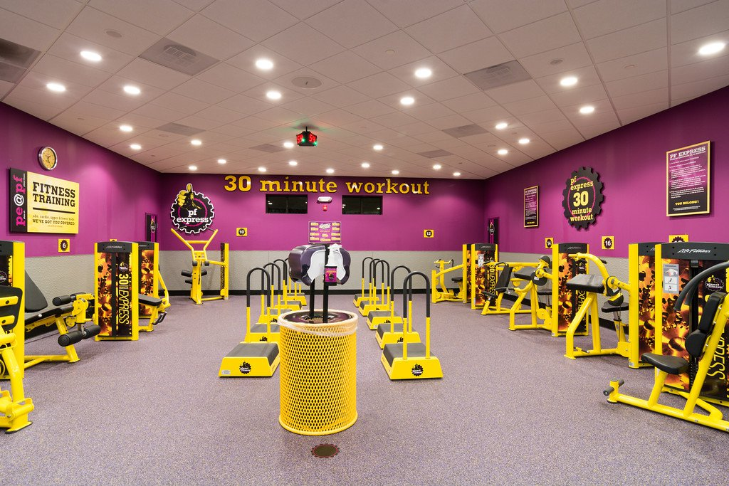
- | rest/clean/transition | 30 | - | - | - |  |  |  |  | Leg Curl
8 | shoulder press | 60 | 60 | 45 | 75 |  |  |  |  | Leg Extension
- | rest/clean/transition | 30 | - | - | - |  |  |  |  | Calf Raise
9 | stepping | 60 | - | - | - |  |  |  |  | Glutes
- | rest/clean/transition | 30 | - | - | - |  |  |  |  | Abduction
10 | leg curl | 60 | 60 | 45 | 75 |  |  |  |  | Adduction
- | rest/clean/transition | 30 | - | - | -
11 | stepping | 60 | - | - | - |  |  |  |  | Friday- Traps, Abs, Neck
- | rest/clean/transition | 30 | - | - | - |  |  |  |  | Smith Machine Upright Row
12 | bicep curl | 60 | 45 | 30 | 60 |  |  |  |  | Deadlift/Shrug Machine
- | rest/clean/transition | 30 | - | - | - |  |  |  |  | Machine Crunch
13 | stepping | 60 | - | - | - |  |  |  |  | 4-Way Neck Machine
- | rest/clean/transition | 30 | - | - | -
14 | tricep extension | 60 | 60 | 45 | 75 |  |  |  |  | Saturday- Shoulders, Triceps
- | rest/clean/transition | 30 | - | - | - |  |  |  |  | Shoulder Press
15 | stepping | 60 | - | - | - |  |  |  |  | Lateral Raise
- | rest/clean/transition | 30 | - | - | - |  |  |  |  | Delt Fly
16 | leg extension | 60 | 45 | 30 | 60 |  |  |  |  | Triceps Extension
- | rest/clean/transition | 30 | - | - | -
17 | stepping | 60 | - | - | -
- | rest/clean/transition | 30 | - | - | -
18 | seated row | 60 | 75 | 60 | 90
- | rest/clean/transition | 30 | - | - | -
19 | stepping | 60 | - | - | -
- | rest/clean/transition | 30 | - | - | -
20 | abdominal | 60 | 60 | 45 | 75
- | rest/clean/transition | 30 | - | - | -

Strength time (min) | 10
Stepping time (min) | 10
Exercise time (min) | 20

Transition time (min) | 10

Total time (min) | 30

